frontend
Test: | https://rebelcleaning.vercel.app/
Tested By: | Sirjana KC
Date of Test: | 5/3/2024
Performed Under: | Kisan Mahat
S.N | TC Name | Expected outcome | Pass/Fail | Actual Result | Comments | Snapshot | Dev Comment | Reproduction Testing
1 | Title | Next Carpet Cleaning | fail | Rebelgreen |  |  | Done | Okay
2 | favicon | there should be favicon of website | fail | there is no fav icon |  |  | Done | Okay
3 | Hero Section(form)
i | Enter | Spelling should be Enter | Fail | There is a.mistake in Enter spelling | 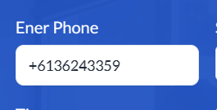 |  | Done | Okay
ii | Book now | in the form, error message should pop in respective text field | fail | message doesnot pop |  |  | Done | Okay
 | Home |  |  |  |  |  | Done
 | get a quote | The form should be work properly | Fail | Shows error message | _ | 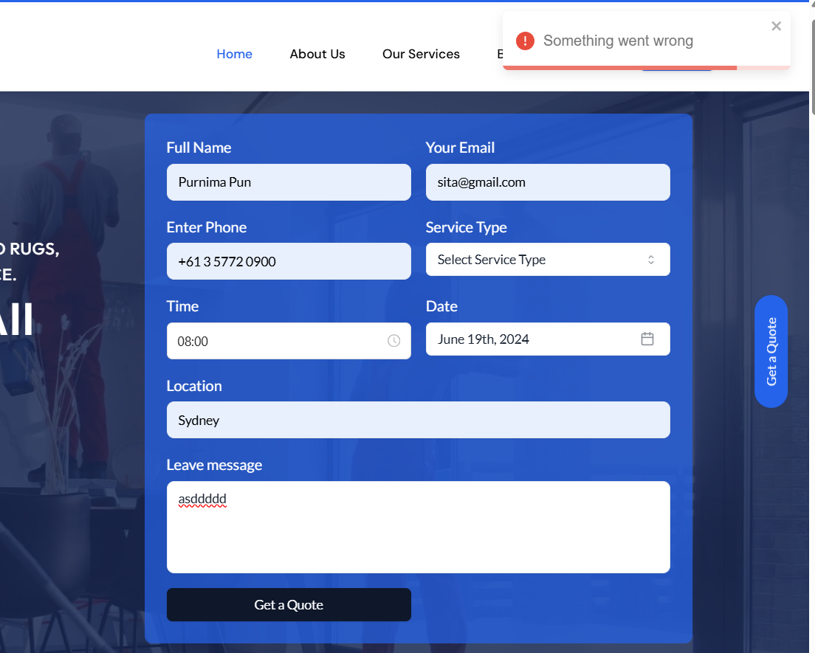 | Done | Okay
 | About Us | The data should be updated on the about page. | Fail | The data on the about page has been updated in the cms but it is not showing up on the frontend. |  _ |  | Done | Okay
 | Our services | The data that has been deleted in the cms should not be visible on the frontend | Fail | The data that has been deleted in the cms is still showing up on the frontend. | 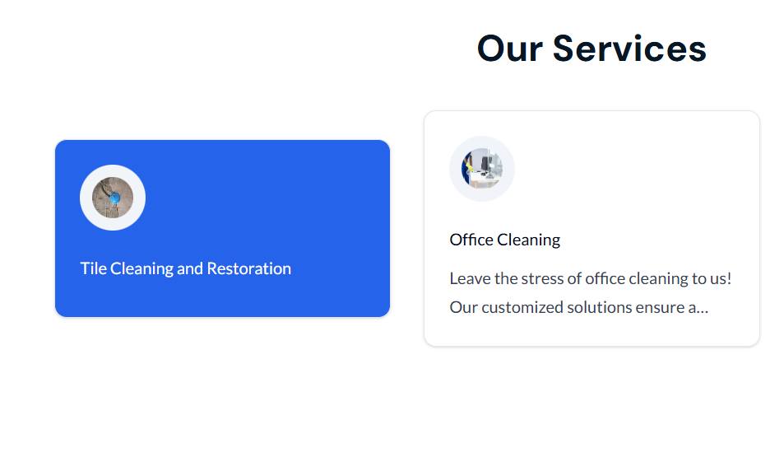 _ |  | Done | Okay
 | Gallery | Picture should be seen properly. | Fail | The image is not visible | 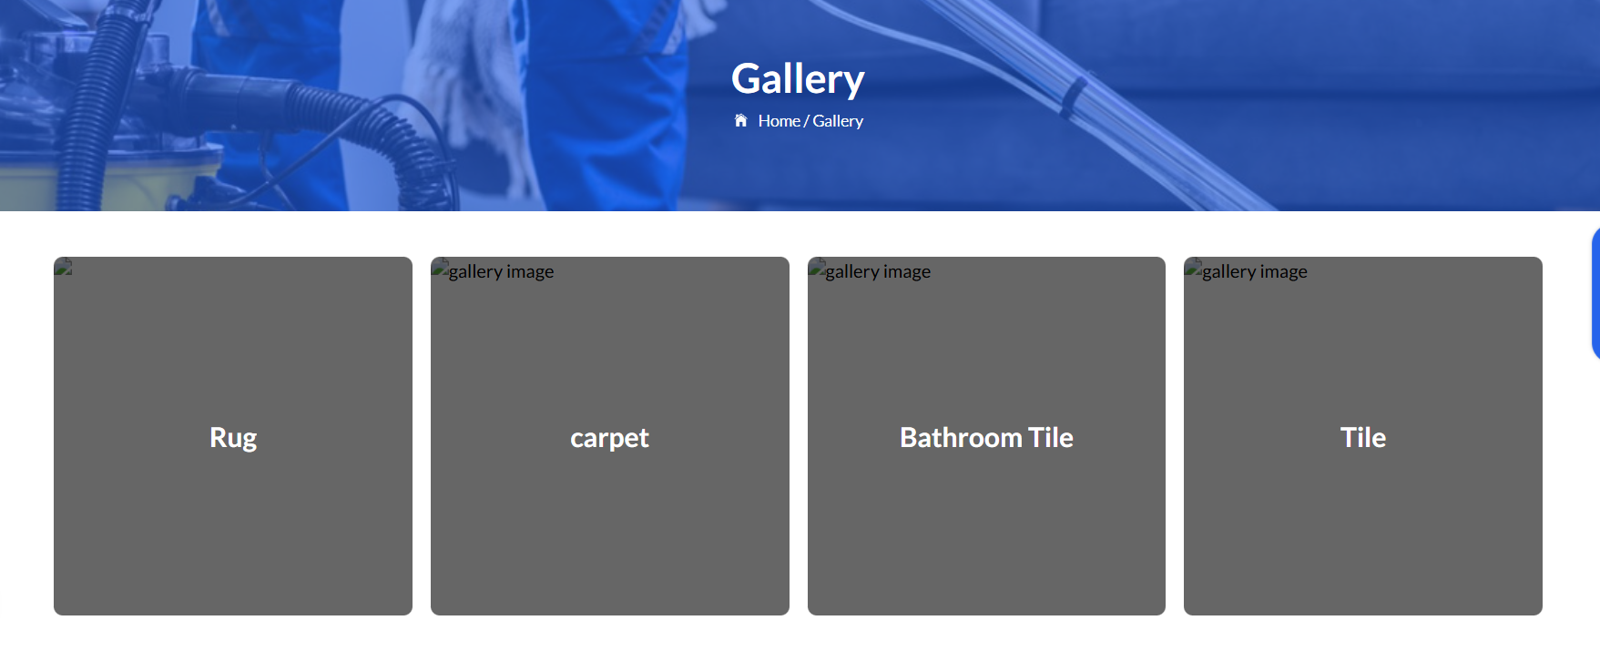 _ |  | Done | Okay
 | Submit button | should be clickable | Fail | Submit button is not clickable |  | 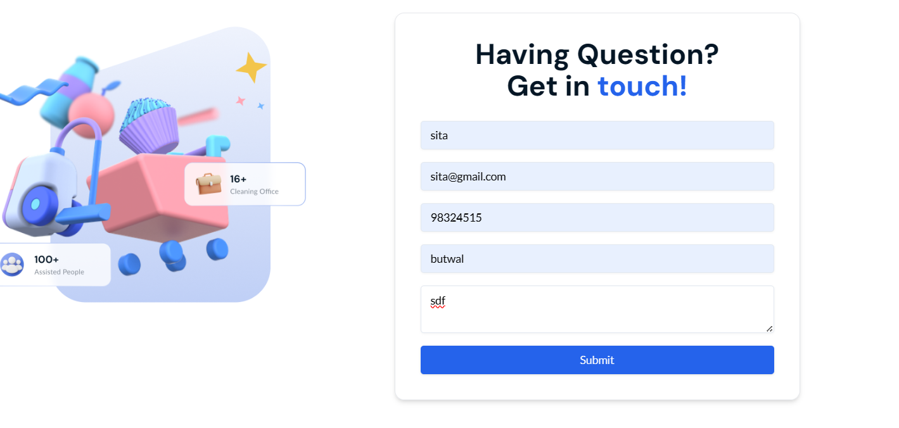 | Done | Okay
3 | Contact(contact us) | error message should pop in respective text field | Fail | message doesnot pop | 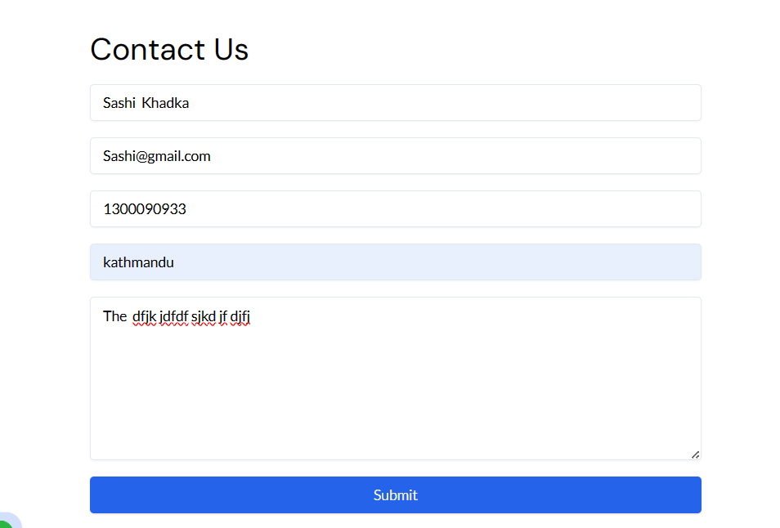 |  | Done | Okay
4 | About Us
i | Subscribe button | The subscribe button should be clickable | Fail | The subscribe button is not clickable |  |  |  | okay
ii | Subscribe button | The subscribe button should work properly. | Fail | The subscribe button shows error message | 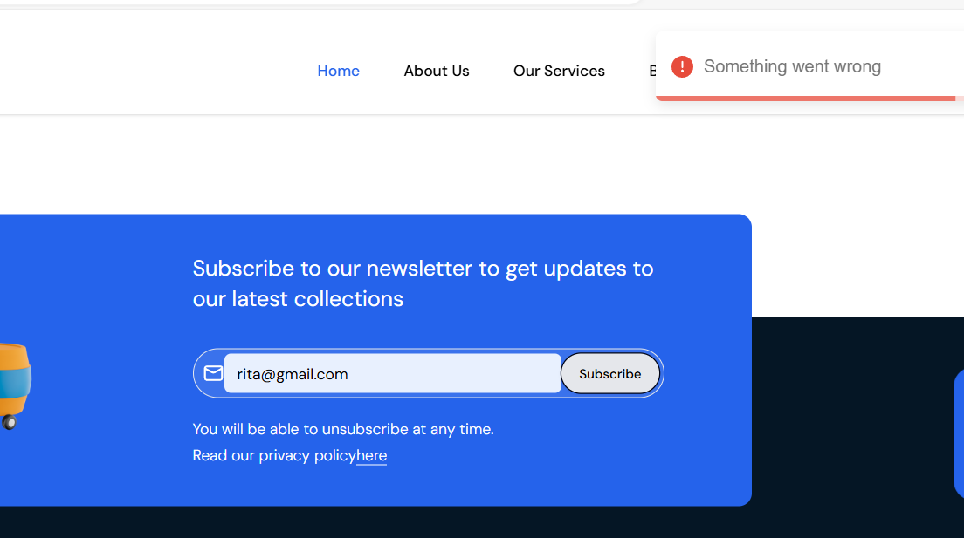 |  | Done | Okay
iii | Footer Section | The image,data should be updated on the footer section. | Fail | The data on the footer section has been updated in the cms but it is not showing up on the frontend. | _ |  | Done | Okay
 | website crash | Website should be work properly | Fail | The system is crash when checking the website showing the applicatiopn error | _

CMS
Test: | https://rebelcleaning-cms.vercel.app
Tested by: | Sirjana KC
Date of test: | 5/3/2024
TC Num | TC Name | Expected Result | Pass/Fail | Actual Results | Comments | Snapshot | Dev comment | Reproduction Testing
 | Structure(side bar menu) | the space between the logo and menu should not be huge | fail | the space between the logo and the menu is more than enough
1 | Sign in form
a | Toggle icon | there should be toggle icon/eye icon so it would be suitable for admin to signin | fail | eye icon doesnot support for all pcs |  |  | Ignore it please | Okay
2 | Pages
a | Home | Should work | Pass | worked
 | Top quality | Top quality should be removed from this section | Fail | Top quality of is no use in frontend. | _ | 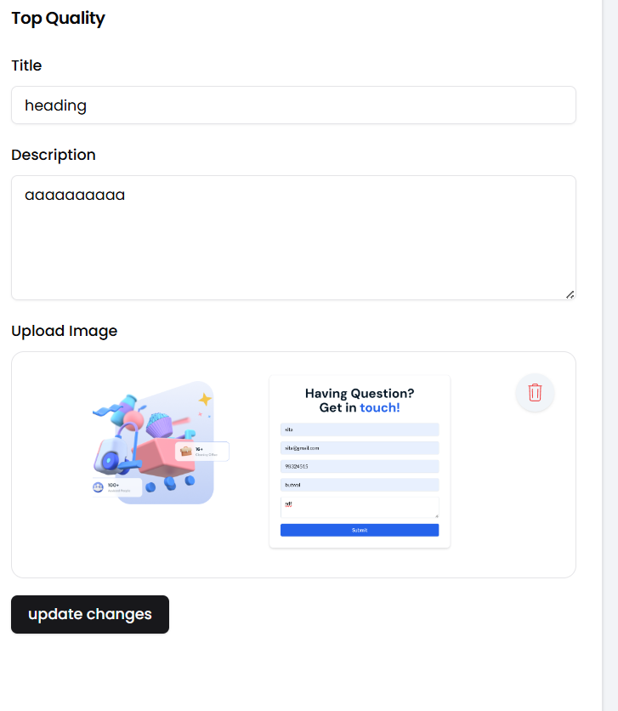
b | About Us | Should work | Pass | worked
c | Services | message should pop when the requirement is not fulfilled | fail | message doesnot pop when certain requirement is not fulfilled |  |  | Done | Okay
i | Add new service | new Services should be added. | Fail | Add new service is not not added . | 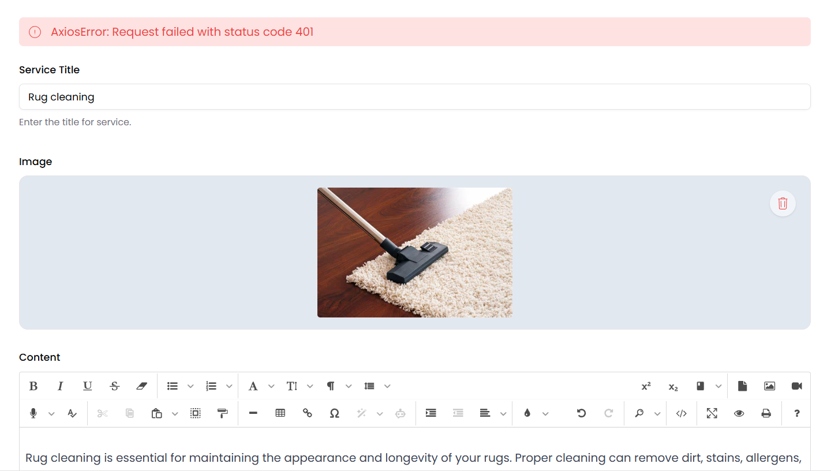 _ |  | Done | Okay
ii | Trash button | Trash button should be work properly. | Fail | Trash button does not work. | 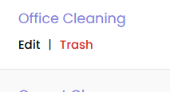 _ |  | Done | Okay
d | Gallery | should work | Pass | worked

e | Blog | should work | Pass | worked
i | Banner | Banner should be dispaly on the website. | fail | Banner is uplaoded but not display on the website |  |  |  | Okay
f | Contact | should work | Pass | worked
g | Privacy policy | should work | Pass | worked
2 | Booking | The data sholuld be descending order | fail | The data is not descending order. |  |  | Booking should be based on date of service | Okay
a | Search list | The serach list should be included. | Fail | The serach list is not included.. |  |  | done | Okay
2 | Customers | The data should appear in descending order | Fail | The data is not descending order. |  |  | Not needed | Okay
a | Edit and delete button | Edit and delete button should be included. | Fail | is not included. |  |  | Admin shouln't alter customers data | Okay
 | Search list | The serach list should be included. | Fail | The serach list is not included.. |  |  | done
3 | Team Members
a | Add new member | The new member should be added | Fail | The new member is not added |  | 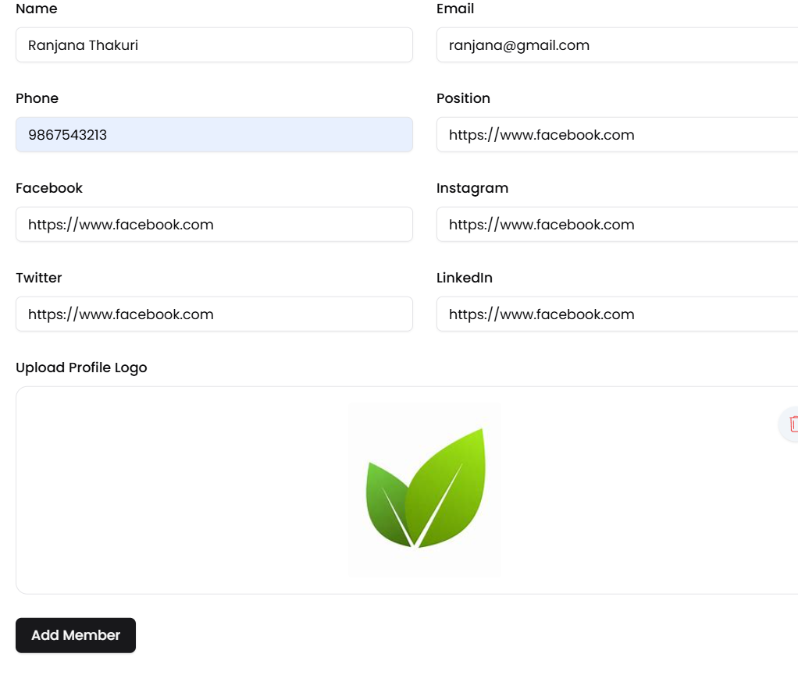
b | our members | The data should appear in descending order | Fail | The data is not descending order. |  |  | Fine | Okay
4 | Setting | Should work | Pass | Worked
5 | Pricing plans
a | Update title | Update title should be save . | Fail | The update title is not save |  |  | Done | Okay
6 | Offer(our offer) | Image should be display. | Fail | The title and description are displayed but image is not dispalyed. |  |  | Done | Okay
7 | Enquiries | The data should be in descending order. | Fail | The data is not descending order. |  |  | no need | Okay
a | Edit | Edit butoon should be included | Fail | Edit button is not included. |  |  | Admin should'nt alter enquiries | Okay
8 | Testimonial | should work | Pass | Worked
9 | FAQS | Should work | Pass | Worked
i | Add FAQ | The add FAQ button should be worked | Fail | The add FAQ button is not work | 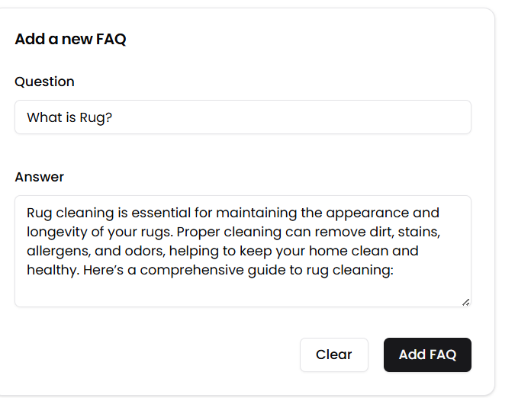 _

frontend mobile view
S.N | TC Name | Expexted Outcome | Pass/Fail | Actual Results | Snapshot | Dev comment | Reproduction Testing
1 | About us
i | Our success stories (Steam cleaning) | The description should fit within the screen and be justified. | Fail | The descriptions are going outside the screen and are not justified. | 